Sheet1
SANDRA SHROFF COLLEGE OF NURSING,VAPI
DETAILS OF CERTIFICATE COURSES LIST OF FACULTIES 2024-2025
NAME OF FACULTY- |  | MRS MAYURI PATEL
DESIGNATION- |  | ASSOCIATE PROFESSOR
DEPARTMENT- |  | OBSTETRIC AND GYNECOLOGICAL NURSING
SR.NO. | NAME OF COURSES | DURATION OF COURSE | LEVEL OF COURSE | CREDIT | MODE | CREDIT HOURS | PHOTO COPY OF CERTIFICATE
1 | INTEGRATED SEXUAL & REPRODUCTIVE HEALTH SERVICES |  |  |  | ONLINE | 7.5CNE HOURS | 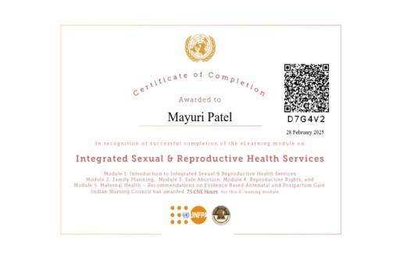
2 | NEWBORN AND NEWBORN RESUSCITATION COURSE |  |  |  |  | 5CNE HOURS | 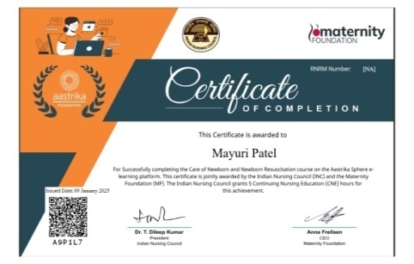
3 | INTERNATIONAL CERTIFICATE CAREER COACH FOUNDATION |  |  | 15 |  |  | 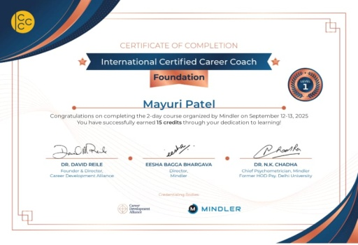
4 | HYPERTENSION IN PREGNANCY COURSE |  |  |  |  | 5CNE HOURS | 
5 | CARE OF SICK NEWBOEN COURSE |  |  |  | ONLINE | 7.5 CNE HOURS | 
6 | INTRODUCTION TO VIRTUAL REALIATY |  |  |  | ONLINE |  | 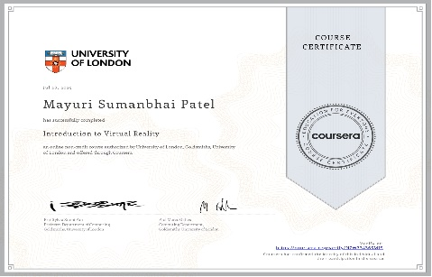
7 | INTRODUCTION TO PALLIATIVE CARE |  |  |  | ONLINE |  | 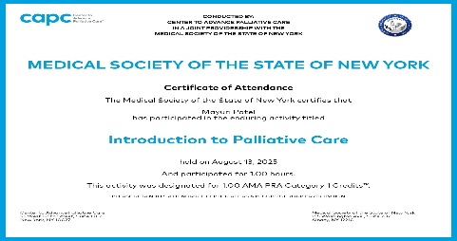
8 | UNIVERSAL HUMAN VALUES | 6 HOURS |  |  | ONLINE |  | 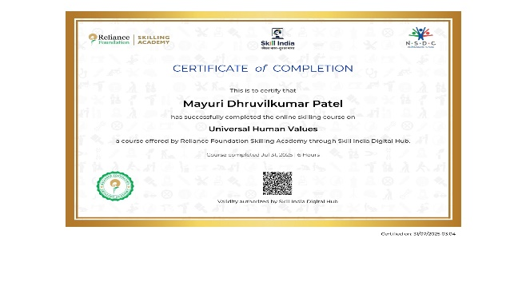
9 | RESEARCH METHOLOGY COURSE |  |  |  | ONLINE |  | 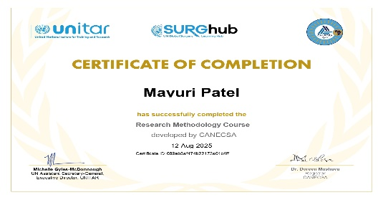
10 | FAMILY PLANING COURSE |  |  |  | ONLINE |  | 